Sheet1
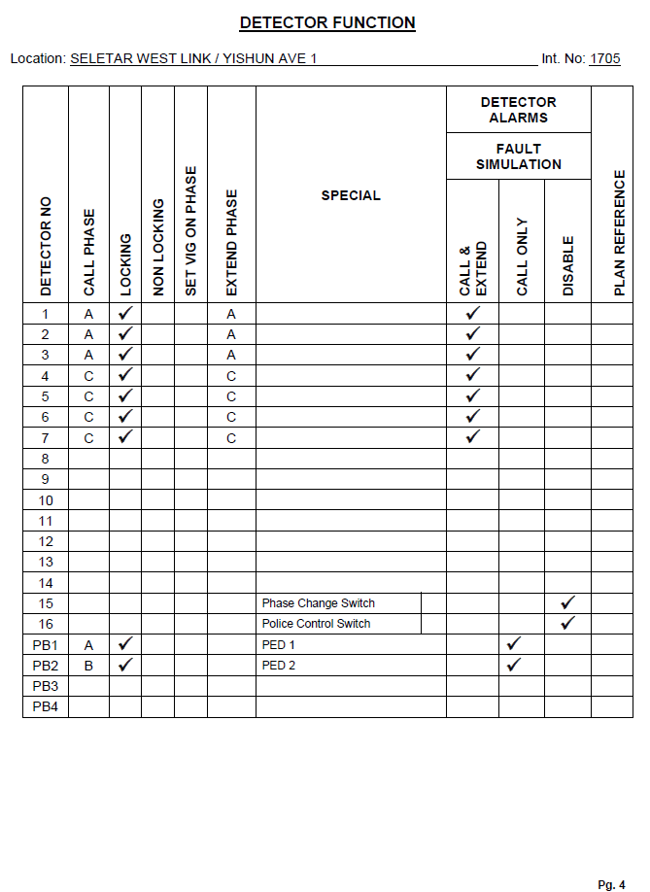
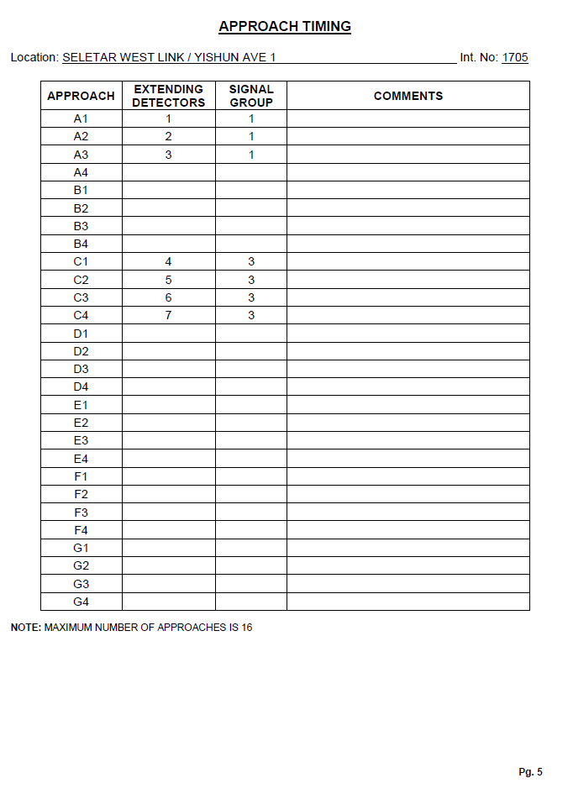
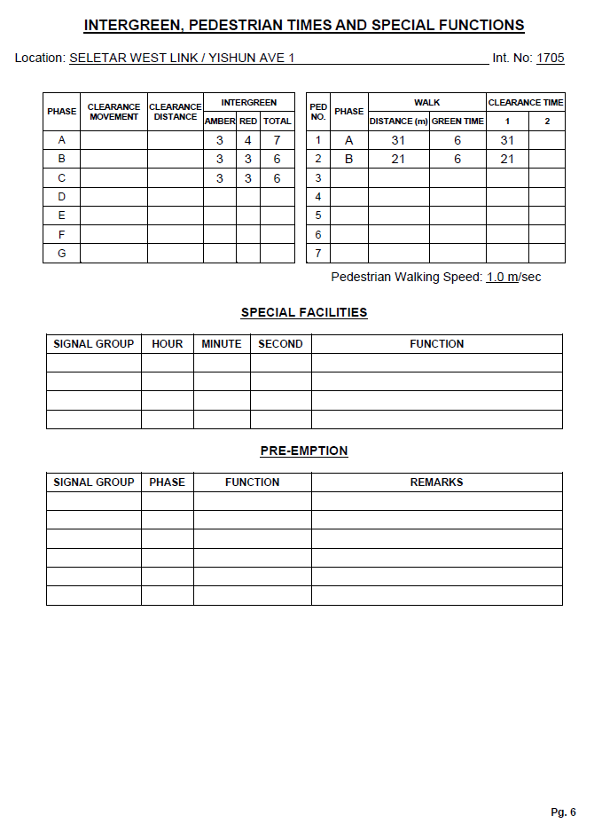
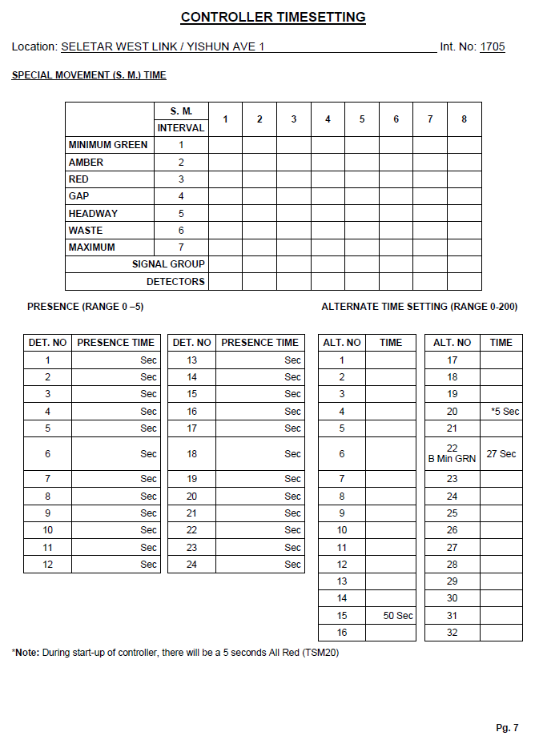
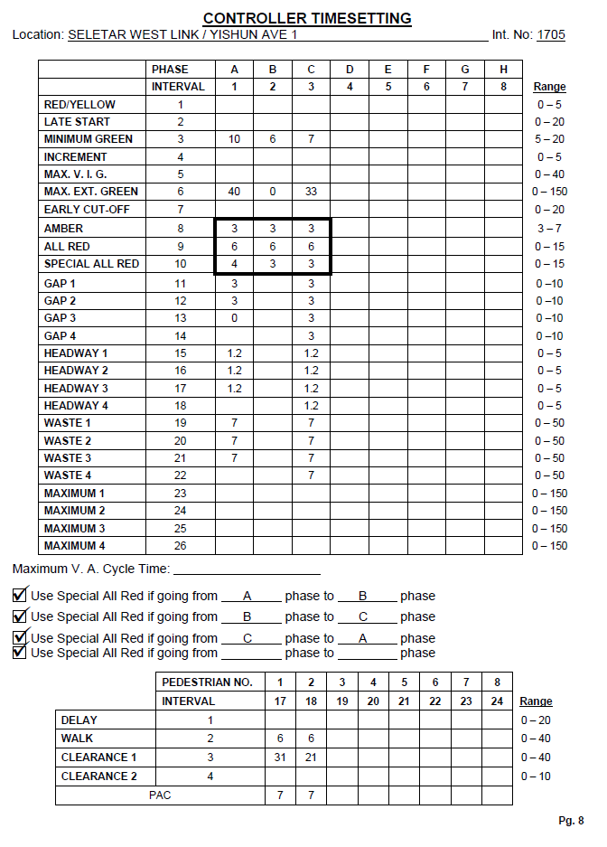
 | Location | Date | Int. No | Signal ID | GOMS | RAG | Green Man + | Audio Tactile | Junction Layout | Number of Lanes | Right Turn Green Arrow Checked | Left Turn Green Arrow Checked | Concurrent Movements of Left Turning Pedestrian | GMP (green man plus)
Can extract? | Yes | Yes | Yes | Yes | Yes | Need cv/ocr to detect and extract |  |  |  |  | Need CV/OCR to check whether box 2 or 3 is checked | Need CV/OCR to check whether box 14 or 15 is checked | Y/N (kiv, have to rely on computer vision) | Yes (check If there is PB in text)
 |  |  |  |  |  |  |  |  |  |  |  |  |  |  | Special Facilities | Pre-Emption | Pedestrian Walking Speed | All the data from RED/YELLOW to Special ALL Red | Phase Sequence | AUTO CALL PUSH BUTTON
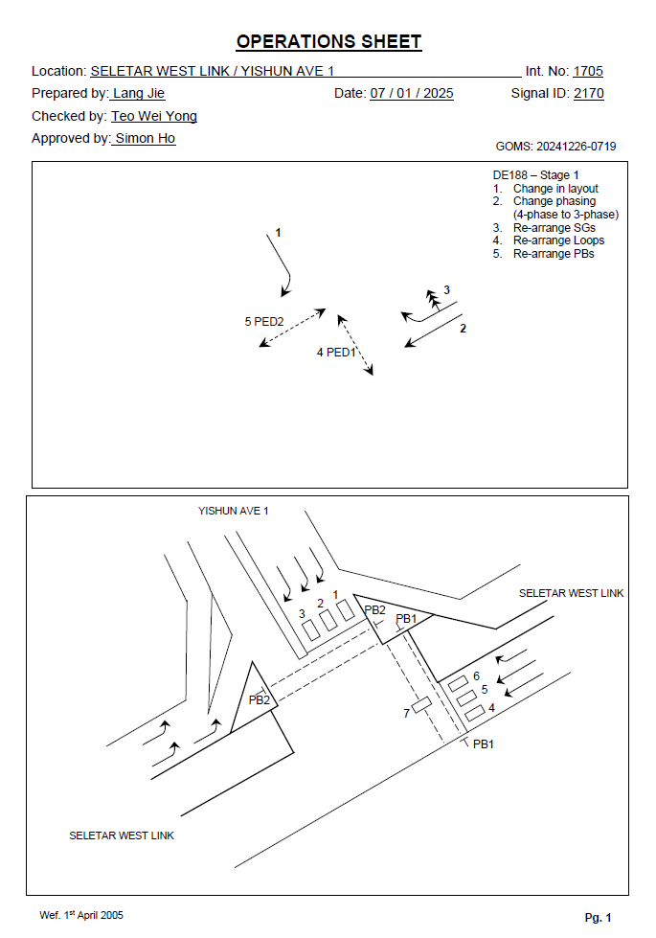
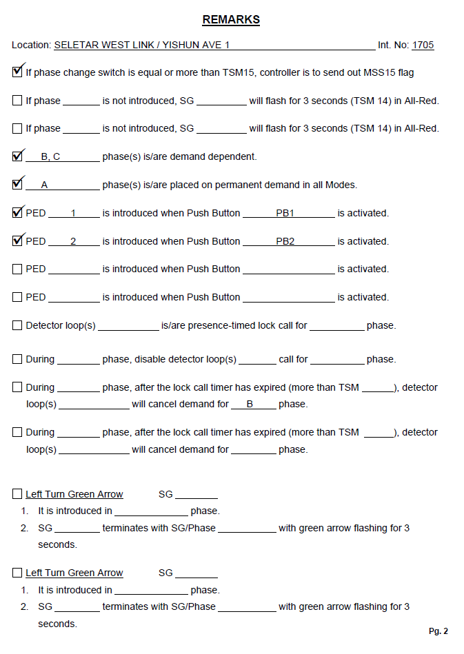
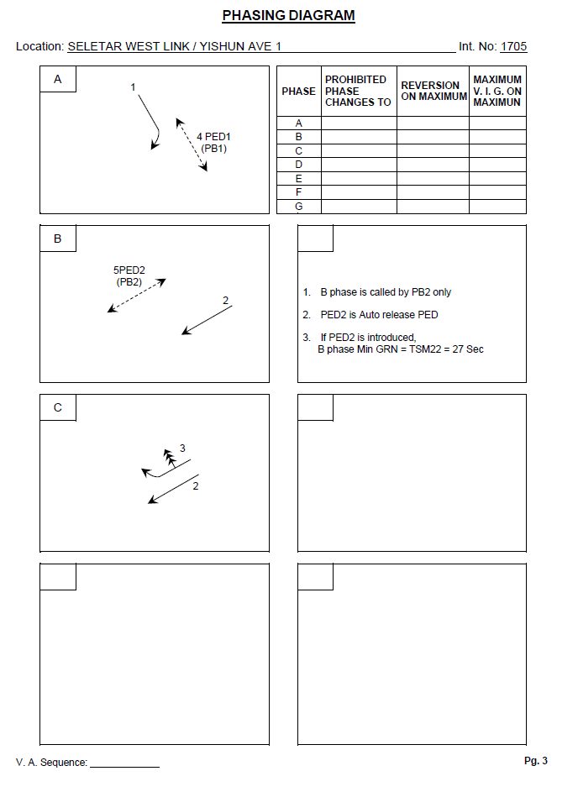
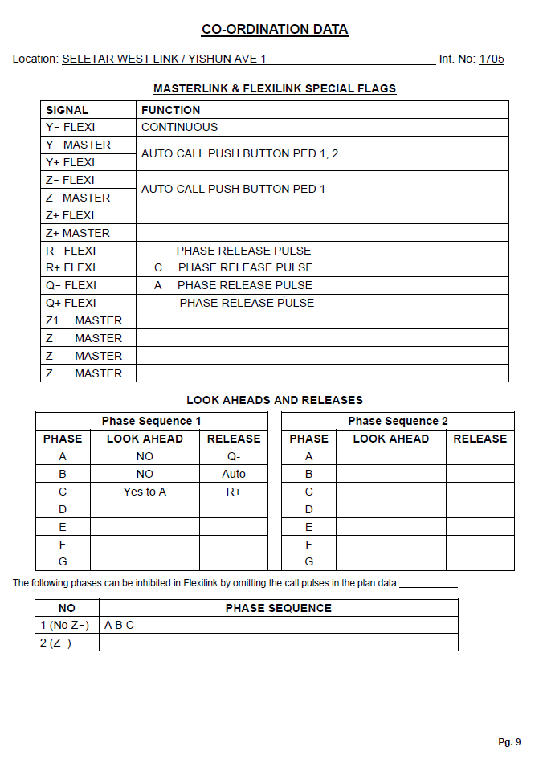
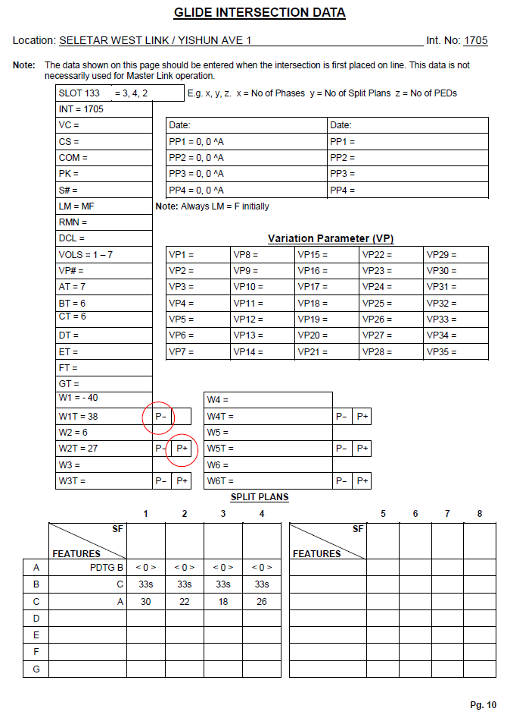
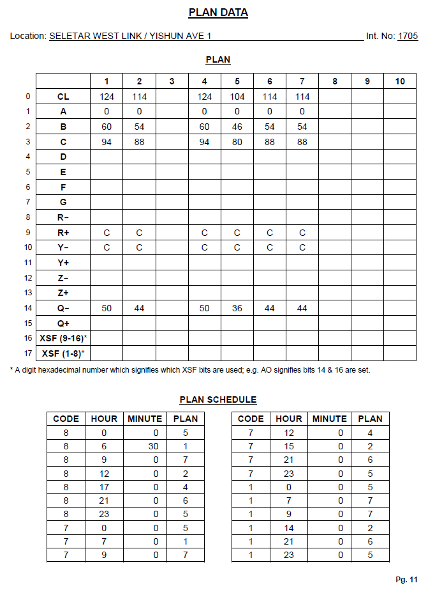
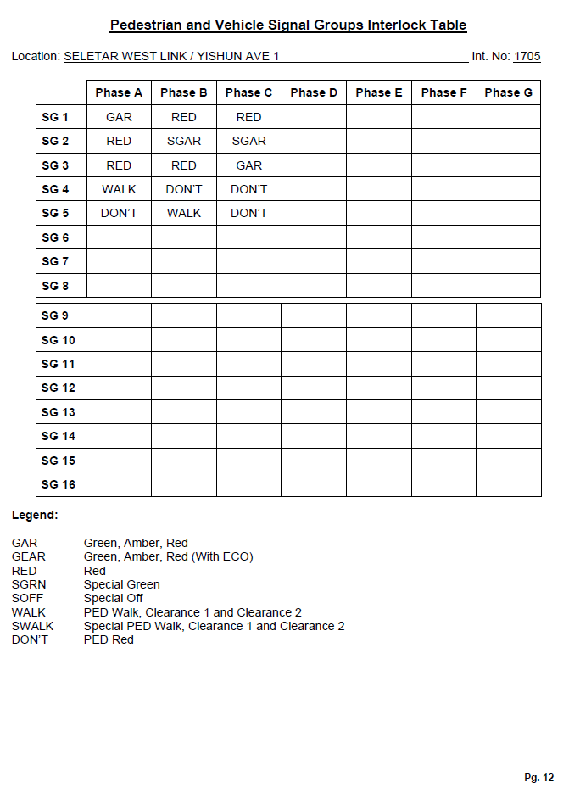
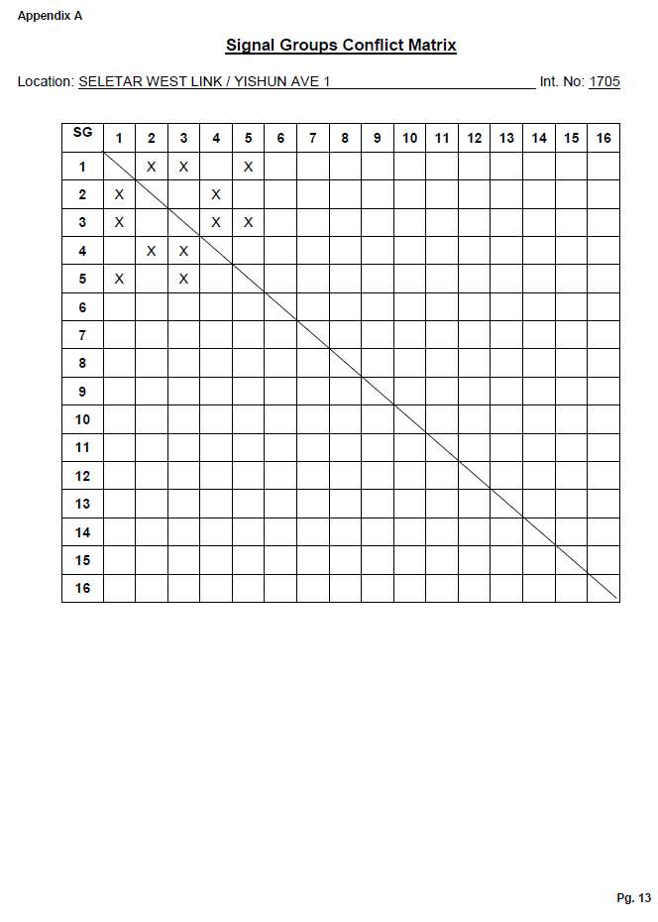
 |  |  |  |  |  |  |  |  |  |  |  |  |  |  | Yes (just put Y/N, whether there is text in the box) | Yes (just put Y/N, whether there is text in the box) | Yes

